Helpful Tips (RE)
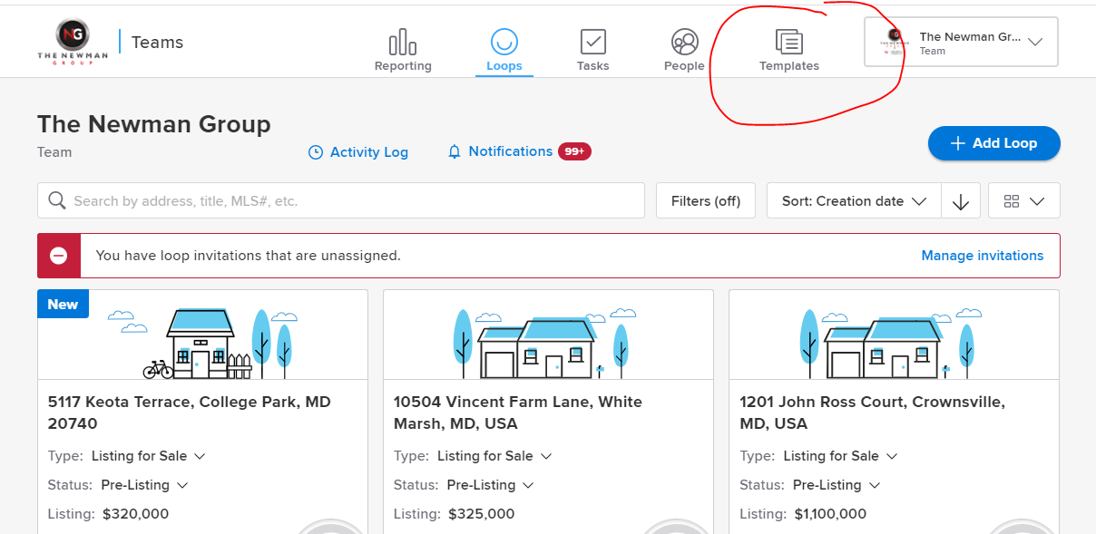
HELPFUL TIPS
Senior Community - No by default |  | Links (Real Estate Process) |  |  | See Templates in dotloop:
In CIty Limits - No for all except Baltimore |  | MD Real Estate Property Tax Info | https://sdat.dat.maryland.gov/RealProperty/Pages/default.aspx |  | Step 1:
Co-list - Add John as colist for other agent's listings |  | Cheat Sheet - Offer Submission | https://docs.google.com/spreadsheets/d/1nW_i4698y1aaV97nOfYzSzBFuFI6engPmji4szspAEk/edit?ts=602d5638#gid=0
 |  | Training Videos | https://drive.google.com/drive/folders/1tOywmOOjIZysabH-ymiF26dRM2T7-CBB?usp=sharing
See 6312 Springbrook Lane for Listing Agreement Sample |  | Essential Login Info | https://docs.google.com/spreadsheets/d/1rpO63q26o5Ody37ItlQLi8Xwr5fa2OrM6jXtqaqaCrY/edit#gid=0
Change of Terms Addendum - Archive this on the Listing Loop always |  | Bright MLS Rules and Regulations | https://drive.google.com/file/d/1bDNrJAtzi4-5xIHGo_Z6r6B3bZLaP1mj/view?usp=sharing
County Specific DIsclosure - Add on listing loop. Templates are in the LISTING JURISDICTIONAL ADDENDA dotloop tempalte |  | KW Ads Tutorial | https://www.loom.com/share/94dbf049bcec4104b5c013be9b8ec23c
For Condo - Add Condo Resale Addendum which can be found under Listing Frequently Docs |  | Netsheet Tutorial | https://www.loom.com/share/1116ac724e754ad8b1232ae70d1857ad

DIslclosures to add in Bright MLS (Once signed)
Lead Based Paint documents |  | Links (System)
Consent for Dual Agency |  | Essential Login Info | https://docs.google.com/spreadsheets/d/1rpO63q26o5Ody37ItlQLi8Xwr5fa2OrM6jXtqaqaCrY/edit#gid=0
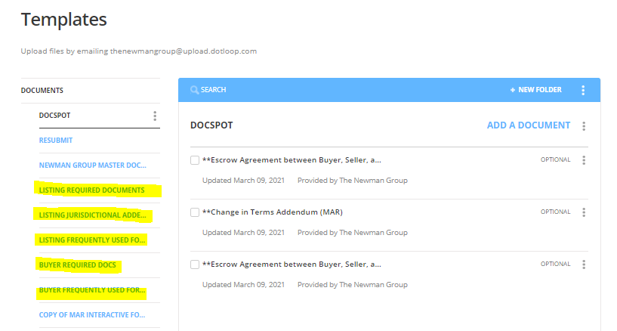
Dual Agency within a team |  | Skip Trace Process | https://docs.google.com/document/d/1MwPNVaWJCix42W_w16ZrzDTh-c3L4kDW/edit |  | Step 2: Highlighted Items are what we mostly use for Listings and Offers
MD Residential Property Information |  | Macro Template | https://docs.google.com/spreadsheets/d/1MMd3H88oY9NoqSPae4xCH0271mXb1gFO/edit#gid=915440031
Notice to Buyer & Seller |  | KW Team Contacts Import Template | https://docs.google.com/spreadsheets/d/1Vs7ljkngDD88SEWYM4reqH0rtLuD6bfQMkStmI0rLds/edit#gid=450389128
MD Residential Property Disclosure/Disclaimer |  | [Newman] Upcoming to CS/Active Process (For John Only) | https://docs.google.com/document/d/1IVgpfLBbrswEOcAkqiMHK1OQ1oDms4XivD91sdfO3co/edit?usp=sharing
County Specific Addendum
Lead Prevention, Solar Panel, Deferred Water, HOA - If applicable
LISTING AGREEMENT page 2) 7d. should both be not by default page 5. bottom of the page should be NOT deferred water and sewer assessment only deferred IF there is front foot |  | PS: Please send AGENT commission check(s) to this address: Keller Williams Flagship of Maryland ATTN: Think Real Estate 231 Najoles Road, Suite #100 Millersville, MD 21108

Staging Consultant
Liz Baynard |  | (410) 251-3903
Co-Owner and Stager |  | www.maxwellandedison.com
Maxwell & Edison Interiors |  | maxwellandedison@gmail.com

AGENT CONTACT INFORMATIONS AND COPY-PASTE TEXTS
Name | Phone | Email | License | MLS ID | Date Joined | Mojo
John R Newman II | 301-343-7671 | thinknewman@kw.com | 579484 | 149742
Shaquille McCray | 443-895-1941 | SMcCray@kw.com / s.young23224@gmail.com | 660600 | 3113247
Justin Matney | 301-980-5846 | justinmatney@kw.com | 660877 | 3225311 |  | Y
Evan Kundrat | 516-312-5244 | ekundrat@kw.com | 5003434 | 3311200 |  | Y
Jen Williams | 443-912-7717 | jen.williams@kw.com | 5004157 | 3312708 |  | Y
Vincent Principe | 443-624-4116 | vincentprincipe@kw.com | 5006318 / VA License 0225255502 / PA RSR005402 | 3323042 |  | Y
Romont Fletcher | 443-298-9750 | romontfletcher@kw.com | 658209 | 3114862
Luke Guy | 443-682-2786 | luke@thinknewman.com |  | 3336198
Cole Strong | 410-599-0355 | cole@thinknewman.com | 5009929 | 3330646 |  | Y
Brandt Martinez | 443-481-2410 | brandt@thinknewman.com | 5010027 | 3334836 |  | Y
Eric Kollosch | 410-615-4347 | eric@thinknewman.com | 658238 | 3306285 |  | Y
Louie Griffith | 443-299-8189 | lgriffith@kw.com | 5013734 | 3348280 |  | Y
Gregory Largent | 443-930-0316 | greg.largent@kw.com | 5013206 | 3348290 |  | Y
Maria Palacios | 443-560-2601 | Mjpalacios@kw.com | 5011900 | 3348110 | 12/15/2022 | Y
Brian Hill |  | brian-hill@kw.com |  |  | 1/31/2023 | Y
Atheena Boutselis | 410-353-2564 | atheena@thinknewman.com
Corey Johnson | 443-449-1446 | jwj3j20@kw.com
Nhya Cedon |  |  |  |  |  | Y
Mukira Gitahi |  |  |  |  |  | Y
Barry Hess |  |  | 517943-01-MD
Address |  |  | 231 Najoles Road, Suite 100, Millersville, MD 21108
Office Number | 410-729-7700 |  | EIN: 20-1086280
Fax Number | 443-795-3101
For John
For any information, you may contact John Newman at (301) 343-7671 or email at thinknewman@kw.com. | John Newman | The Newman Group at Keller Williams Flagship of Maryland | 301-343-7671 | thinknewman@kw.com |  |  |  |  |  | Roster | 24 |  | 27
 |  |  |  |  |  | Agent | Support | TC | Operations | Influencers
For Romont Fletcher |  |  |  |  |  | Evan Kundrat | Trevor Jones | Mary Ito | John Newman | Paulo Machado
For any information, you may contact Romont Fletcher at (443) 298-9750 or email at romontfletcher@kw.com. |  |  |  |  |  | Jen Williams | Justin Penix | Mia Azarraga | Shaq McCray | Romont Fletcher
 |  |  |  |  |  | Vince Principe | Atheena Boutselis | Brian Magdasoc | Jared Dykas | Patrick Codd
For Justin | Justin Matney | The Newman Group at Keller Williams Flagship of Maryland | 301-980-5846 | justinmatney@kw.com |  |  |  |  | Cole Strong |  | Sky Ortigas | Nick Skibinski
For any information, you may contact Justin Matney at (301) 980-5846 or email at justinmatney@kw.com. |  |  |  |  |  | Matt Yost |  |  | Justin Matney
 |  |  |  |  |  | Brandt Martinez |  |  | Jeff Tucker
For Shaq |  |  |  |  |  | Shenel Holley
For any information, you may contact Shaquille McCray at (443) 895-1941 or email at SMcCray@kw.com. | Shaquille McCray | The Newman Group at Keller Williams Flagship of Maryland | 443-895-1941 | SMcCray@kw.com |  |  |  |  | Lisa Thompson
 |  |  |  |  |  | Daniel Choi
For Jen
For any information, you may contact Jen Williams at (443) 912-7717 or email at jen.williams@kw.com. | Jen Williams | The Newman Group at Keller Williams Flagship of Maryland | 443-912-7717 | jen.williams@kw.com.

For Vince
For any information, you may contact Vincent Principe at (443) 624-4116 or email at vincentprincipe@kw.com.

For Cole
For any information, you may contact Cole Strong at (410)599-0355 or email at cole@thinknewman.com.

For Eric
For any information, you may contact Eric Kollosch at (410)615-4347‬ or email at eric@thinknewman.com.

For Nick
For any information, you may contact Nicholas Holden at (301) 325-2263 or email at nicholas@thinknewman.com.

For Brandt
For any information, you may contact Brandt Martinez at (443) 481-2410 or email at brandt@thinknewman.com.

For Evan
For any information, you may contact Evan Kundrat at (516) 312-5244 or email at ekundrat@kw.com.

For Louie
For any information, you may contact Louie Griffith at (443) 299-8189 or email at lgriffith@kw.com.

For Gregory
For any information, you may contact Gregory Largent at (443) 930-0316 or email at greg.largent@kw.com.

For Corey
For any information, you may contact Corey Johnson at (443) 449-1446 or email at jwj3j20@kw.com.

For MJ
For any information, you may contact Maria Palacios at (443) 560-2601 or email at Mjpalacios@kw.com.

SHOWINGTIME
800-746-9464

Coming Soon to Active Status Today
Hey, Friendly reminder that we are scheduled to go Active in MLS tomorrow. Should we need to extend CS, please let me know. Mary | Hi Attached is a Prelisting info sheet to gather information about your home. These information will help us prepare to list your property in the market. Kindly fill in as much info as you can. Thank you Mary | Hi Sellers, Sending you a copy of the estimated proceeds for your review and signature please. Thank you, Mary | Hi Sellers, Sending you a copy of the Active MLS Sheet for your review and signature please. Thank you, Mary | Hi, Attached please find Property disclosures and additional listing documents. Would you kindly complete them at your most convenient time? Feel free to reach out to us if you need any help in filling out the forms. Thank you, Mary | Hi Seller, Attached are the listing documents including all disclosures for your completion and signature. Please feel free to contact us if you need any assistance. You may also refer to these links for video tutorials on how to sign documents using a computer or mobile. Computer Tutorial: https://bit.ly/3XgDB3N Mobile Tutorial: https://bit.ly/3JlEVN1 Thank you, Mary | Hi Attached are the title documents that needs to be completed and signed. Would you kindly review and complete them at your earliest convenience? We have filled in some of the information for you. Thanks, Mary | You may call title to provide your SSN #.
Is Active today
Netsheet Sales Price - List Price from listing agreement singed add 5% and subtract 5% gross commission mortage payoff - we can get from the agent if we dont have it, do $0 Closing help = 1% |  | The 1 day code for lockbox SERIAL is CODE and will be valid on DATE. To use this code, press ENT + CODE + ENT again. |  | Hi Buyer, Attached are the buyer/broker agreement including all buyer disclosures for your review and signature. You may refer to these links for video tutorials on how to sign documents using a computer or mobile. Computer Tutorial: https://bit.ly/3XgDB3N Mobile Tutorial: https://bit.ly/3JlEVN1 Thank you | Hi Seller, Attached is the listing agreement for your review and signature. Please feel free to contact us if you need any assistance. You may also refer to these links for video tutorials on how to sign documents using a computer or mobile. Computer Tutorial: https://bit.ly/3XgDB3N Mobile Tutorial: https://bit.ly/3JlEVN1 Thank you, Mary

KW Ads |  | KW Ads Open House |  | Opcity Referral task in Command
Use John Newman Team Profile |  | Use John Newman Team Profile |  | Dept 2570 PO Box 122570, Dallas, TX 75312, US
MLS Remarks in KW Ads 🚨 Check out these HOT listings 🔥 - Click to see what properties are available NOW - We help hundreds get the home of their dreams every year |  | 📣🏡 |  | 512-643-9251
Title Address: Property Address |  | Title Address: Property Address - Open House |  | Opcity, Inc.
> Choose Attract Buyers, check off FB only |  | > Choose Attract Buyers, check off FB only |  | 35%
> Add a listing (Make sure to click All listings) |  | > Add a listing (Make sure to click All listings) |  | EIN
Headline: Just Listed CITY, MD |  | > Add this at the end of remarks: Open House on DATE from TIME. Come and Grab the opportunity to visit the property! (Adjust remarks if necessary) | Looking to buy or sell your home? Contact us: THINK Real Estate 📱 443.203.8915 📩 listings@thinknewman.com #MDrealtor #realestateagent #househunting #MDrealtors #realestate #MDHomes #THINKRealEstate #buyhome #sellhome #baltimore #BaltimoreCounty #AnnArundel #annapolis #HarfordCounty #FrederickCounty #PrinceGeorgesCounty #HowardCounty #MontgomeryCounty #CarrollCounty #DC #MD #Maryland #MarylandRealEstate #MDRealEstate | Tax ID - 810934851
Description: Just Listed CITY, MD $List Price... Click to learn more about this house, schedule a showing or see the virtual tour. |  | CITY Open House
> Save Ad text |  | Description: CITY, MD $List Price... Open House on Date Time. Click to learn more about this house, schedule a showing or see the virtual tour.
FB |  | > Save Ad text
> Select TNG under Page |  | FB
>Always Check "Use FB lead gen form |  | > Select TNG under Page
Follow-up Destination URL: Go to thinknewman website https://thinknewman.kw.com/ |  | >Always Check "Use FB lead gen form
> Additional Interest choose: Zillow and Trulia |  | Follow-up Destination URL: Go to thinknewman website https://thinknewman.kw.com/
Lead Settings |  | > Additional Interest choose: Zillow and Trulia
> Use Facebook Lead Strategy |  | Lead Settings
> Add Facebook tag |  | > Use Facebook Lead Strategy
> Then hit publish Campaign |  | > Add Facebook tag
Note: Make sure every ad you make, tags the leads that come in with the "Facebook" tag in command. the option for this is under lead settings |  | > Then hit publish Campaign
No need to add FB as another target

Listing Rules

Netsheet
Print > Portrait (Should only be 2 pages)
Save in dotloop
Share to sellers for signature
Hi Sellers, Sending you a copy of the estimated proceeds for your review and signature please. Thank you, Mary

Note for Front Fee and HOA/Condo Fee: Always double check the Listing Intake and MD Residential Property Information Section 6 (Front Fee) and Section 10 (HOA/Condo Fee)

Offers
for paragraph 7 with all MAR contracts, lets go with 5 days in the first field, 2 days in the second field, and 3 days in the third field

Offer Writing Help Needed from Admin
Create Opportunity
Prepare Master Buyer Template Loop
Add buyers in dotloop
Add Listing agent complete info in dotloop (name, email, license,etc)
Add seller/s names
Add disclosures and prep for buyers signature
Notice to Buyer? Add if needed
General Addendum? Add if needed
Add MLS Sheet in dotloop

